SFDC Flow
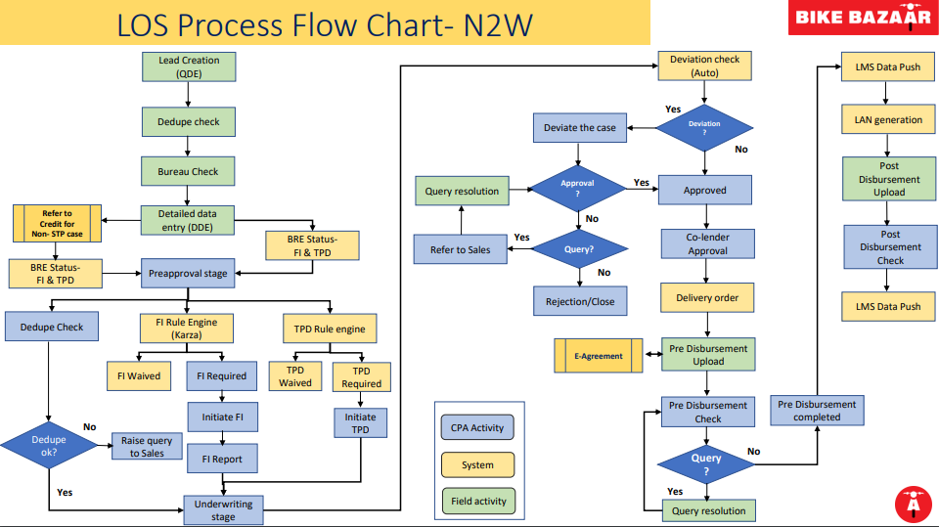

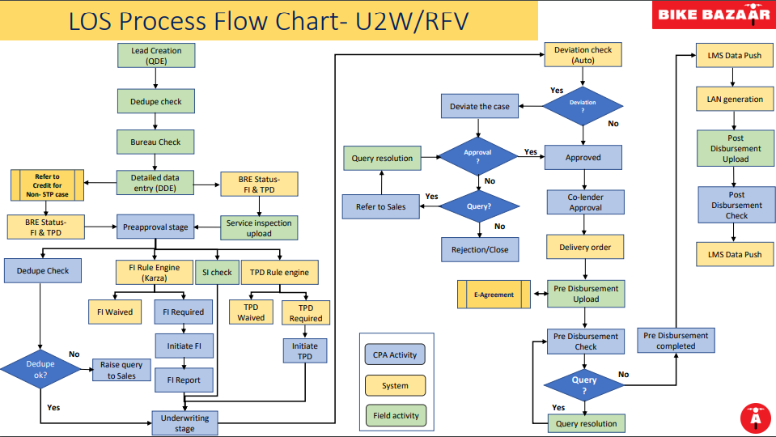

Login Sheet
Login Sheet - New TW (OCR) |  |  |  |  | Used only for Scheme change or addition of Coapplicant after approval.
Customer Name* |  |  |  | Alternate Contact Number

Electricity Distribution Company Name / LPG Company Name |  | Electricity Consumer ID / LPG ID (17 Digit)
Current Address Residence Status |  | Owned | / Rented
Current Address Stability |  | City Stability (Rented Profile)
 | Address: |  |  | ORP Breakup: Ex Showroom Price : Insurance : RTO : Std Accessories : ORP : Cross sale Insurance : Grand ORP :
Permanent Address Details
 | contact no:
Employment Details* | Designation: Company / Firm Name: Address & contact No: |  |  | 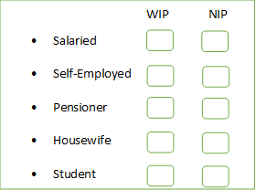
Income* |  | Other income
Reference 1* (Friend) : Name: |  | Reference 1* (Relative) : Name:
Contact No: |  | Contact No:
Address: |  | Address:
Co-applicant/Guarantor Details |  | Co-applicant/Guarantor Employment Details :
Relation with Applicant : Name: DOB: Contact No: |  | Designation: Company/Firm Name: Office Address & Contact No:
Address:

Pre-Disb Check Guidelines - New
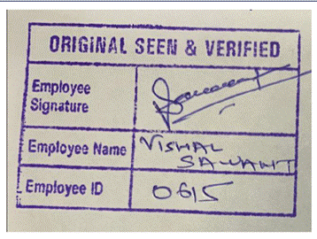
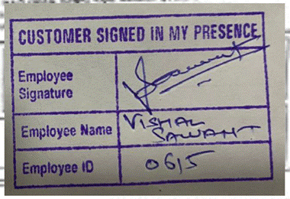
Pre-Disbursement Documents Checklist (Self Attested by Applicant/ Co-Applicant / Guarantor) - (Note checkpoints in bold and underline are mandatory for further rest are good to be there but not of utmost importance)
Sr no | Document | Check Points | Instructions
1 | KYC & Aadhar | Self Attestration , OSV, Self Declaration | Self Attestration , OSV, Self Declaration
 |  | KYC Karza Check Point | If KYC number is correctly entered and KARZA shows “error message as no records found” – OK to process
 |  |  | If KYC number is correctly entered and KARZA shows mismatch with applicant or co-applicant name – Query to be raised
2 | PAN card / Form 60 | Mandatory form 60 if PAN not given | NAME, DOB & Signature is mandatory
3 | Dedupe Check | NAME, DOB, KYC, ADDRESS etc. | Follow - Dedupe Actionable
 |  |  | (add your remarks in Notes along with the stage name)
4 | Karza Check | Name, Address | Validate KYC with Karza along with KYC id capture in system (If karza is failed and not deviated by DCPA CSM or CPA agent, then CPA must move to underwriting and deviate the case.
5 | Kotak Life Insurance | Form 1: Nominee details like Name, DOB, relation with customer and Gender required. If Customer Sign in Regional Language then require Customer sign under Vernacular tab along with Place and DOB. | Kotak Life Insurance Mandatory for - Delhi, Hyderabad, Bangalore and Chennai . HDFC Life insurance should not be used.

 |  | Form 2: Customer (Borrower) Name, Sign, Date and Place required

 |  | Form 3: where both question's answer should be No and then customer Sign, Name, Date and Place required | Revised kotak forms are mandatory for the 3WL cases (Rickshaw)
 |  |  | Also, We can accept old forms for 2WL only till further confirmation
6 | HDFC Life Insurance | Form 1: Nominee details like Name, DOB, relation with one customer sign. | Mandatory for following locations if Cross Value given - KURUKSHETRA , NUH , ROHTAK , MYSORE , TUMKUR , BARABANKI , BAREILLY , DEORIA , HARDOI , LAKHIMPUR KHIRI , LALITPUR , LUCKNOW , ORAI , RAEBARELI , SHAHJAHANPUR , SITAPUR , SULTANPUR , Gudiyatham . | Applicable from 5 Jan 2022, for prior cases required KOTAK Life Insurance.
 |  |  | Kotak Life insurance should not accepted.
 |  | Form 2: Nominee details like Name, DOB, relation with three customer sign.
 |  | If Loan amt is less than or equal to 2 Lks OR Tenor 1 or 2 yrs- GJS format form required ( Header: Member Information Form )
 |  | If Loan amt is greater than 2 Lks OR Tenor above 2 yrs- CPP format form required ( Header: Member Enrollment Form )
7 | Cross Sale | Cross Sale is mandatory at Lead Login stage if not available then raise query “NSM approval required for cross sell insurance waiver”. 50/- rupees difference is acceptable in cross sale amount (if login sheet and calculator amount is mismatched). (not applicable for Greaves Co-Lending).
 |  | Dear Sir,

 |  | Do not accept Nominee below 18 years, there is no Upper age limit for the Nominee
8 | Personal Accident (PA) Insurance Premium | PA Insurance Premium charge will go live from 15-03-2023, kindly check below points : - (Applicable products – Applicable for all products & All locations.) |  | Assignment Letter of PA Policy Holder's
 |  | PA Insurance amount will not come in ORP section, it will be available in Scheme calculator & WEMI charges tab (Please note - If the DMA has select the PA insurance as "Yes" in the system then only we have to check this document)
 |  | 1) Agent will process the case – if assignment letter is uploaded on system & charges are available in the field
 |  | 2) Agent will raise query if – PA charges are taken but assignment letter is not uploaded on system
 |  | 3) Agent will raise query if – if assignment letter is incomplete [Customer name, Father name/ Husband name, Customer signature] |  | Sample Document
 |  | 4) Agent will check – if assignment letter is uploaded or not under Cross Sell Insurance Docs document header.
9 | Digital Application Form | 1. Digital application form is acceptable in Pre Disb stage, only we required declaration form along with that.
 |  | 2. Validate LI amount as per insurer (HDFC / Kotak LI calculators), if LI amount is mismatch then raise query, this has to be done in all the stages.
10 | Additional KYC | If PAN card received at Pre-Disb or it was available since Lead Login then hold such cases for Re-Bureau
 |  | Other KYC's you can add directly in LOS , do not hold such cases for Re-Bureau
11 | Dealer Name & Branch | If dealer name is "Durga Auto Centre" and branch is "Malda" then click here |  | If CDO provided as per policy norms then OK if not then hold that lead to raise deviation.
 |  | If case from "Bihar" then click here
12 | For BUYBACK CASES ONLY | Addendum | Mandatory Document in PRE | (NDCM- Rural / DCM) Locations - Nuh, Kurukshetra, Lucknow, Maharajganj , Prayagraj & Varanasi
 |  | Customer Request Letter to BB |  | NDCM Urban locations- Bangalore, Delhi, Hyderabad
 |  | Schedule
13 | Piaggio Auto Rickshaw (Fixed Battery) | Sales Certificate | Mandatory Document in PRE for Piaggio 3 wheelers (fixed battery)
1 | Application form - Applicant/ Co applicant/Gurantor | Customer name, Photo , customer Sign, Complete Application form | Customer name, customer photograph on first page & POI & POA tick mark
 |  |  | * Applicant name to be clearly checked with the proofs avaiable for revised 3WL application form only . No spell mistake in the application to be seen. Initial can be ignored.
 |  |  | Check app / co-app signature and mobile number on back side of the form.
 |  |  | *Customer Signature & DMA signature with CSIP stamp.
 |  |  | * Customer signature, Coappl or guar signature and DMA signature also to be checked.
 |  |  | If charges on Declaration form is incorrect – query not to be raised.
 |  |  | If charges are not mentioned and kept blank – query not to be raised.
 |  |  | POA / POI document not mentioned – query not to be raised.
 |  |  | * No overwriting in the siganture to be seen. If so, fresh siganture to be taken from the applicant along with the counter sign near the correction
1.1 | Digi Application Form ( App/ CoApp ) | Mandatory tick marks as per the Sample format | * Separate Digi App form required for Applicant and CoApp ( If provided ) | Sample format with mandatory fields
 |  |  | * CSIP stamp required.
 |  |  | * If cross sign on photo is not available – query not to be raised.
2 | Loan Agreement | 1) First Page of loan Agreement page. 2) Last Page of loan Agreement Page.(With customer signature) | * Agreement first Page Date and Location and last page with sign Only.

 |  |  | * Singature to tally with signature proof available / collected (Banking or Cancel PDC)
3 | Repayment Mode | If applicant -Co-applicant case -Wife is a Co-applicant then in that instance | we can accept -Wife in Repayment mode ,Provided Applicant and Co-applicant stays in Same address
 | (Not mandatory for DCC) | If Repayment mode is from Student account ,it can be accepted | Co-applicant need not be staying in same address . Student may be staying away from parents in hostel, it can be accepted.
 |  | NACH ( Sign (+Company Seal - only in Case of Current a/c) or cash payment form or Demand Promisaory Note - (Customer signature on revenue stamp | *NACH (National Automated Clearing House) form sould be completely filles as per Dashboard sample and has to be in uploaded in Remayment Tab only
 |  |  | * Cash addendum in case of non banking customer.
 |  | DCC | *Loan Vivaran Patra - Date
 |  |  | *Demand Promissory Note
 |  |  | Do not accept NACH mandate from "GRAMIN BANK OF ARYAVART"
4 | Banking Proof | Cancel cheque / Bank passbook 1st page (Data requirements from banking proof documents- Bank account number, IFSC code,match Customer name as per bank records and system) | * Bank name should be checked in Active Bank list
 | (Not mandatory for DCC) |  | * Cancelled Cheque with account holder name preprinted
 |  |  | * Copy of first page of bank passbook and statement contains Name and address
 |  |  | * IFSC code, Branch on Banking / Cancel PDC
 |  |  | * Latest Updated Bank Statement
 |  |  | *If Banking Xerox available then OSV is mandatory.
 |  |  | * If penny drop is successful – name match correctly – process the case.
 |  |  | * If penny drop is successful – first name only is matching or minor spelling mistake – Supervisor needs to be contacted for decision.
 |  |  | * If penny drop is successful – name mismatch – raise query for correct bank details.
 |  |  | If penny drop is failed:
 |  |  | * System down-time errors – Supervisor to need to be contacted for decision.
 |  |  | Any other API failed reason like account invalid, IFSC invalid, account frozen, transactions not allowed etc. – query to be raised either for latest bank statement or alternate bank account details.
 |  |  | * Handwritten banking details should accepted on bank passboobk if the penny drop is successful(If all details are handwritten then discuss the lead with supervisor)
 |  |  | *Repayment is acceptable from KIOSK banking (applicable for all bank).
4.1 | Penny Drop | Status Fail reason OR success | * Enter Banking deatils from banking/ Cancel cheque and hit check account in banking deatils
 |  |  | * Check penny drop status If Penny drop fails then check reason and follow given Penny Drop g
5 | Down Payment Receipt (Main dealer / ASC / MBO) | DP amount ( Check with CDO / Name / Address / DP amount , Dealer Seal and Signature) | * Down payment receipt duly signed by Dealer
 |  |  | * Date and Serial number to be available
 |  |  | Down payment Amount should be On Road price of the vehicle less Net Disbursal Value - Reason for Excess amount should be clearly mentioned in the receipt
 |  |  | * DP receipt amount to be checked with CDO
 |  |  | *Any Correction / Overwritten should authenticate with dealer stamp and signature
 |  |  | * Whitner is not allowed on DP receipt.
6 | Proforma Quotation | (Date, Value amount, make, model, Amount, dealer stamp and signature) | * Applicant name, address, vehicle make and model to be checked on the quotation
 |  |  | * Date with proper printed serial number receipt no on the quotation to be checked clearly
 |  |  | * Dealer name to be checked
 |  |  | * Dealer ORP breakup to be check with Ckross and ORP must be same. ( Do not consider Cross sale amt in calculation )
 |  |  | * ORP mentioned on Quotation needs to be cheked with the Master ORP and must be less than or equal to Master ORP values ( Ex-Showroom, Insurance, RTO, Std accessories, Other )
 |  |  | * Ex Showroom amt to be macthed between Quotation, Invoice & Ckross
 |  |  | * Date of Final quotation should be less than 30 days from the Date of login
 |  |  | * Dealer seal and signature is a must and to be checked
 |  |  | *Any Correction / Overwritten should authenticate with dealer stamp and signature
 |  |  | * Whitner is not allowed on quotation.
 |  |  | * For WB locations consider ORP given on Invoice as quotation not availble.
7 | Invoice Copy | Date, Value amount, make, model, Amount, dealer stamp and signature, Hypothecation | * Applicant name, address, vehicle make and model to be checked on the Invoice (Don't Match Full vehicle name on Invoice only Check model is same or Not (e.g- on CDO or Quotation --Spl+ IBS I3S BSVI and On invoice --Spl+ IBS DRS black BSVI.Process case)
 |  |  | * Date and Invoice number to be checked and to be update into the system
 |  |  | * Dealer name to be checked
 |  |  | * Engine number and Chassis Number to be cross checked with Insurance doc and same to be update into the system.
 |  |  | * Ex Showroom amt to be macthed between Quotation, Invoice & Ckross
 |  |  | * Dealer seal and signature is a must and to be checked
 |  |  | * INVOICE DATE SHOULD BE >= Lead Creation Date, do not accept old Invoice dates without approval.
 |  |  | * WEMI hypothication req on Tax Invoice Only.
 |  |  | * For WB locations consider ORP given on Invoice as quotation not availble.
 |  |  | * Whitner is not allowed on Invoice copy.
 |  |  | We can captured Batch number as chassis number in the system for NTW vehicles

8 | Insurance Policy | Name / Address / Vehicle details / Policy number / Vehicle Details / Hypo Lieu / Premiun Qith Quotation | *Policy Number | Insurance amount on the policy need to matched with proforma invoice and to be processed if the policy is Rs. 250 less than (max) or equal as per Performa invoice.
 |  |  | * Customer name
 |  |  | Insurance Premium amount (Charges( to be cross checked with Quotation, Invoice & Insurance
 |  |  | If Insurance Premium on the policy is greter than quotation and master ORP then process the lead, do not raise query.
 |  |  | *Vehicle make & Model
 |  |  | *Policy start and end date
 |  |  | * Eng. No and Chassies No.
 |  |  | (Road side assistance certificate is only applicable for MuzzafarNagar, Jaunpur and Roorkee)
 |  |  | *WEMI Hypothication
 |  |  | CLICK HERE - Guidelines for Hero EV - TELANGANA & TAMIL NADU
9 | Approval / Deviation Compliance | Credit Deviation Approval condition compliance | * CDO should be check at the time of Pre-disb check
 |  |  | * Approval / Deviation Compliance to be checked
10 | Main Dealer | Invoice and Insurance | *Invoice and insurance is mandatory for all leads.
 |  |  | *If main dealer but vehicle is Ampere then invoice is mandatory (Insurance is mandatory for registered Vehicle models)
11.1 | Agreement sample (TTO set) | All Location | On first page Location and date required and on second page customer's sign required

11.2 | E-Agreement | All Location ( If available ) | * App Name | Sample E-Agreement
 |  |  | * CoApp/ Guaranter Name ( If provided )
 |  |  | * Signature of App/ CoApp/ Guaranter
 |  |  | * Signature of Bikebazaar authorised signatory
 |  |  | * Amount Financed, ROI, Tenore, EMI, Adv EMI, Margin Money to be cross checked and valiate with CDO
11.3 | Revised Agreement | All Location ( If available ) | Revised Agreement required for all cases except Greaves co-lending cases
12 | Temporary Registration Document | Documents with complete details of customer & vehicle | Mandatory for Delhi, Andhra Pradesh, Telangana locations

13 | Relation Proof & FI Waiver | 1. CoApp provided in case - Relationship proof needs to be checked and if not available query will have to be raised. | These 3 points has to throughly checked during the Pre Disb stage for CPA/ DCPA.
 |  | 2. OHP provided on relatives name - Relationship proof required and if not available, query will have to be raised.
 |  | 3. If FI waived wrongly (In which FI waiver docs not available), Case needs to be moved to the Underwriting stage back for FI initiation.
14 | CDO | CDO to be checked properly before case disbursed or raise any query | Hold the case if CDO missing In Pre Disb stage
15 | NACH | NACH to be store on shared drive for disbursed cases | Save Nach copy with Lead id

Below update is applicable for all co-lending except Greaves co lending cases - applicable from 04 March'23 Onwards
This checklist is applicable for N2W & U2W & not applicable for 3W, ICICI & GLFL cases.

 | Team, Going forward these two documents are applicable for all cases in U2W and N2W (All locations)
 | 1) Need not check co-lender name or CPA and DCPA case
 | 2)These two documents are not applicable for Greaves co lending cases

1 | Both the attached documents will be mandatory in all cases and should be check-point at CPA
 | A. Revised Schedule Sheet |  | B. Classification of loan Account – Intimation - Declaration form
 | Revised Schedule Sheet |  | Classification of loan Account – Intimation - Declaration form

Yes Bank co-lending - applicable from 13 Sep Onwards (Check Lead Created Date)
This checklist is applicable for N2W & U2W & not applicable for 3W, ICICI & GLFL cases.
APPENDIX mandatorily to be collected – if not updated, please raise query.
FORM 3 – Declaration form for signature / dual name / vernacular / Multiple DOB – mandatorily to be collected – if not updated, please raise query.
FORM 2 to be collected in case of address proof is taken in the name of relative of applicant – this declaration has to be signed by relative of applicant
FORM 1 to be collected in case address proof is submitted for deemed OVD list
OSV stamp & signature required on all KYC documents – if rubber stamp is not there but handwritten in same format, you can process the case – don’t raise query
CSIP ( Customer signed in my presence) stamp required on all declarations collected for each case - if rubber stamp is not there but handwritten in same format, you can process the case – don’t raise query

Check 1 | Products Applicable | New TW & Used TW | Electric - Hero EV & Okinava EV
 | Products Not Applicable | Three Wheeler and Electric - Ampere EV (GLFL) | ICICI workflow cases
Check 2 | YES Bank KYC | PAN/Form 60 (POI) | POA OVD (check OVD Table Below)
 |  |  | POA DOVD (Form 1 Required with CSIP) | Sample Docs
 |  |  | DEEMED OVD DOCUMENT LIST | Annexture, Form-1 Form-2, Form-3
 |  |  | 1 - Utility bill which is not more than two months old of any service provider (Includes Electricity, Telephone, Post Paid Mobile Phone, Piped Gas or Water Bill)
 |  |  | 2 - Property or Municipal tax receipt last Fiscal
 |  |  | 3 - Letter of allotment of accommodation from employer issued by Government or listed companies (Proper allotment letter and not Company letter)
 |  |  | 4 -Pension or family pension payment orders (PPOs) issued to retired employees by Government Departments or Public Sector Undertakings, if they contain the address
 |  |  | POA OVD (Relative) - Form 1 + Form 2 Required with CSIP
 |  |  | In case OVD taken in the name of a close relative
 |  |  | 1 -OVD Documents, PAN card
 |  |  | 2 -Defence Dependent Card / Discharge Book issued by an defence authority
 |  |  | 3 -OCI / PIO card
 |  |  | 4 -Letter/ Certificate / Cast Certificate on letter head or under office seal / Domicile certificate issued by Village or Government Authority
 |  |  | 5 -Senior citizen card issued by any Government
 |  |  | 6 -Any Certificate whether Bonafide/Leaving/Transfer/ Marksheet / Passing issued by any State board/Universities/School/College authorities
 |  |  | 7 -Birth Certificate
 |  |  | 8 -Marriage Certificate
 |  |  | 9 -LIC Policy with last premium paid receipt
 |  |  | 10 -Pension or Family pension payment orders
 |  |  | 11 -HUF deed bearing details of the Karta and co partners and their relationship or RE statement/ passbook of an HUF account that has details of the Karta, Co partners or letter from the RE confirming the same
 |  | Dual Name/Dual DOB in PAN/POI/POA - Form 3 required with CSIP | -
Check 3 | Appendix | To be collected for all cases | -
Check 4 | Sign Proof | Sign Proof (Other than English) + Form 3 required with CSIP (To be col

POA - OVD
S.no | Documents | POI/POA | POI | POA
1 | Aadhaar Card | √ | √ | √
2 | Passport | √ | √ | √
3 | Driving License | √ | √ | √
4 | Voter ID | √ | √ | √
5 | Job Card issued by NREGA dul | √ | √ | √
6 | Letter from National Populati | √ | √ | √

OSV Stamp |  |  | CSIP (Customer Signed in My Presence)

Pre-Disb Check Guidelines - Use
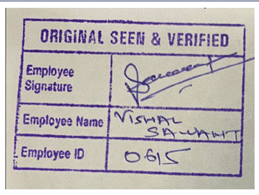
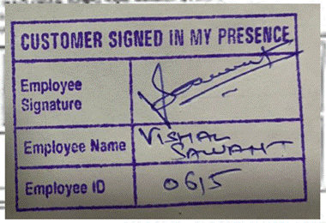
Pre-Disbursement Documents Checklist (Self Attested by Applicant/ Co-Applicant / Guarantor) -
(Note check points in bold and underline are mandatory for further rest are good to be there but not of utmost importance)
Sr no | Document | Check Points | Instructions
0 | KYC & Aadhar | Self Attestration , OSV, Self Declaration | Self Attestration , OSV, Self Declaration
 |  | KYC Karza Check Point | If KYC number is correctly entered and KARZA shows “error message as no records found” – OK to process
 |  |  | If KYC number is correctly entered and KARZA shows mismatch with applicant or co-applicant name – Query to be raised
0 | PAN card / Form 60 | Mandatory form 60 if PAN not given | Complete form 60 filled
0 | Dedupe Check | NAME, DOB, KYC, ADDRESS etc. | Follow - Dedupe Actionable
 |  |  | (add your remarks in Notes along with the stage name)
0 | Karza Check | Name, Address | Validate KYC with Karza along with KYC id capture in system (If karza is failed and not deviated by DCPA CSM or CPA agent, then CPA must move to underwriting and deviate the case.)
0 | Kotak Life Insurance | Form 1: Nominee details like Name, DOB, relation with customer and Gender required. If Customer Sign in Regional Language then require Customer sign under Vernacular tab along with Place and DOB. | Kotak Life Insurance Mandatory for - Delhi, Hyderabad, Bangalore and Chennai . HDFC Life insurance should not be used.

 |  | Form 2: Customer (Borrower) Name, Sign, Date and Place required
 |  | Form 3: where both question's answer should be No and then customer Sign, Name, Date and Place required
0 | Insurance | Credit Bulletin on Acceptance of Third Party Insurance | Acceptance of Third Party Insurance – Used Vehicles, RFV, P2P,LFV (wherever applicable for LFV)-

 |  |  | *ACKO Insurance Cases if Vehicle number matched then process the leads don’t raise query for Engine and Chassis Number*
 |  |  | Check Statewise guidelines for VAHAN and INSURANCE updated in 2nd sheet of "RTO CHALLAN MATRIX"
 |  |  | If insurance copy is not provided then the case can be process on below 2 conditions(Applicable for Used TW & RFV Only)
 |  |  | 1) SI team will capture the validity which should be matched with Vahan screenshot (Third party).
 |  |  | 2) Validity should be minimum 3 months from the processing date.
 |  |  | Update on motor insurance sourced by WEMI cases - PA (Personal Accident)
 |  |  | Whenever PA cover [Personal Accident] is taken, then on quotation PA cover amount will come as Rs.425 instead of Rs 325
 |  |  | 1) Wherein Insurance is done by WEMI and we get only quotation uploaded instead of policy copy.
 |  |  | 2) Only when such quotations are uploaded for U2W cases, you have to check if PA premium is correctly mentioned.
 |  |  | Kerala cases to be process if we get two Insurance policies – Vehicle Insurance + PA (clubbed amount should be = or < Master ORP insurance Value)
 |  |  | Not to raise queries in such cases.
 |  |  | Team, As an exception for today, please consider following web screenshot for insurance confirmation.
 |  |  | Match – vehicle number, insurance validity details
 |  |  | If insurance is expired, new insurance relative approval mail from Ops Team (Manu Baby) will be available in SFDC.
 |  |  | Please process cases accordingly till further confirmation
 |  |  | Vahaan screenshot with valid insurance details to be mandatorily check for Kerala and West Bengal location at the Pre disbursement stage
 |  |  | In absence of VAHAN Screenshot, the query should be raised to Sales Team
 |  |  | We can capture insurance details from Virtual RC document (Applicable for all active locations). | Insurance Waiver Policy
 |  | Cross sell (Life insurance) is non-mandatory for the SFDC
 |  | Kindly process the cases if LI is ZERO as no need to raise query for such instances.
0 | Cross Sale | Cross Sale is mandatory at Lead Login stage if not available then raise query “NSM approval required for cross sell insurance waiver”. 50/- rupees difference is acceptable in cross sale amount (if login sheet and calculator amount is mismatched). (not applicable for Greaves Co-Lending).

 |  | Do not accept Nominee below 18 years, there is no Upper age limit for the Nominee
1 | Applicaton form - Applicant/ Co applicant/Gurantor | Customer Name, Photo, DOB, DMA Code, Name & Sign and Customer Sign, Other details if filled. | * Attestation by the applicant or co appl or guarantor on the photo required
 |  |  | * Customer Self Attestation and OSV need to check on provided documents.
 |  |  | * Applicant name to be clearly checked with the proofs avaiable. No spell mistake in the application to be seen. Initial can be ignored.
 |  |  | * DOB to be checked in the Ckross and application. Please check with proof in case of discrepancy
 |  |  | {Collect DOB Declaration if applicants DOB is different on two Id Proofs.
 |  |  | DOB declaration will be mandatory at the time of Pre-Disbursement Stage wef 15 Mar 2021}
 |  |  | * All details, Reference details, Bank details, Address and mobile number to be checked,
 |  |  | * Customer signature, Coappl or Guar signature with DMA Name, Code & Signature also to be checked.
 |  |  | * No overwriting in the siganture to be seen. If so, fresh siganture to be taken from the applicant along with the counter sign near the correction
2 | Loan Agreement | 1) First and Last Page of loan Agreement pages. (with customer signature) | * Agreement first and last page with Customer Name, Location, Date and Sign
 |  |  | * Singature to tally with signature proof available/ collected (Banking/ NACH/ Cancel PDC)
 |  |  | * The agreement version details which is updated on first page left hand side at bottom of the page, first & last page of TnC (JUNE 2023)
 |  |  | * To raise the query to Field Team for uploading latest version of agreement wef. 01st August 2023
 |  |  | * Field need not use separate annexure for Schedule as it is revised in agreement with modification in charges, addition of Loan Servicing Charge etc.
 |  |  | * Field need not take separate SMA classification annexure as it is included in the agreement.
 |  |  | Classification of Loan Account form and Schedule is not required in case of revised loan agreement available, Also if E loan agreement available then do not check manual agreement

 |  |  | Team this update applicable for pipeline cases too.

 |  |  | If we have received revised manual agreement then do need to raise query for the schedule sheet and SMA
3 | Repayment Mode | NACH (Customer Sign) | *NACH (National Automated Clearing House) form with sign.
 |  | (Company Seal - only in Case of Current a/c) | *If joint account then need to check joint holder sign on NACH.
 |  |  | Do not accept NACH mandate from "GRAMIN BANK OF ARYAVART"
 |  |  | Repayment is acceptable from KIOSK Banking (applicable for all Banks)
4 | Banking Proof | Cancel cheque/ Bank passbook 1st page | * Cancelled Cheque with account holder name preprinted
 |  |  | * As income proof banking is provided then same banking repayment need to be captured.
 |  |  | * Copy of first page of bank passbook and statement contains Name, Account No, IFSC Code and Branch name Printed.
 |  |  | * Account Holder, Account No, IFSC code, Branch on Banking/ Cancel PDC edited/ handwritten not accept.
 |  |  | * Latest Updated Bank Statement.
 |  |  | * Signature to be checked with cancelled cheque and signature proof.
 |  |  | *We need to do penny drop hit for seller P2P cases in SFDC only
5 | Down Receipt & Quotation | DP Receipt & Quotation | * Down payment receipt & Quotation duly signed by Dealer - (ORP Break UP {Dealer ORP, DP amount and Net Disbursed}, Dealership Name, Vehicle Details(Make, Model, MFG Year and Reg No, Egn No & Chassis No)
 |  |  | Down payment Amount should be On Road price of the vehicle less Net Disbursal Value - Reason for Excess amount should be clearly mentioned in the receipt
 |  |  | * Asset Value, DP receipt amount, Vehicle make & Model need to be checked with CDO
 |  |  | * Dealer Original Stamp & Sign and Date Requied on all documents.
 |  |  | *Any Correction / Overwritten should authenticate with dealer stamp and signature
6 | Insurance Policy | Name/ Vehicle Details - | * Customer Name, Policy Number, Vehicle Details (Reg No, Make Model, MFG year and Engine CC).
 |  | Valid Insurance. | * Policy start and end date.
 |  | Quote Insurance - Quote Amount. | -Valid insurance should be 3 month valid from current date.
 |  |  | -Quote - Final Premium Amount.
 |  |  | Insurance Quote From Chola Mandalum only Start & End date and Final Premium amount need to check.
 |  |  | For BAJAJ ALLIANZ GENERAL INSURANCE COMPANY LIMITED Insurance page is not provide but quotation is received then accept the same.
 |  |  | For all locations of Karnataka, we require KOTAK LIFE INSURANCE ( Ckross sale )
 |  |  | If Primary Insurance is expired but 3rd party insurance is active, we can consider the 3rd party insurance date as a End date
 |  |  | *ACKO Insurance Cases if Vehicle number matched then process the leads don’t raise query for Engine and Chassis Number*
7 | Approval / Deviation Compliance | Credit Deviation Approval condition compliance | * CDO should be check at the time of Pre-disb check
 |  |  | * Approval / Deviation Compliance to be checked
8 | Undertaking Documents | NOC Defferal Undertaking (U2W & LFV Dealer) | * Loan Application No, Make and Model, Registration No, Engine No, Chassis No, Customer Name, Customer Signature, Witness Name (Permanent employee of WheelsEMI), Witness Signature, Date.
 |  | Cross Sell Undertaking | * Loan Application No, Approved Loan, Force Closed Amount, Customer Name, Customer Signature and D
 |  | LFV Undertaking | * Loan Application No, Make and Model, Registration No, Customer Name, Customer Signature, Customer PAN / Aadhaar, Date.
 |  | RTO Penalties Undertaking(Only Pune and Mumbai) | * Loan Application No, Registration No, Chassis No, Penalty Dues Amount, Customer Name, Customer Signature, Date.
9 | NACH | NACH to be store on shared drive for disbursed cases | Save Nach copy with Lead id
10 | RC | Do not raise query for Original RC/Smart Card for Kolkata cases if Form 23 is provided.

IMP Check Points for Before process cases from Pre Disbursement stage
1 | Need to Re Calculate Scheme.
2 | Cross check Ckross banking details with Banking documents.
3 | Provided Dealer document and Ckross Dealer Name.
4 | If RTO penalties dues pending then paid amount receipt requied.
5 | Please check provided insurance is valid or not.
6 | On RC copy HP available then NOC requied. If NOC is not available then need to hold 5000 amount.
7 | Cross Sell LAV Cases need to capture FC Amount.
8 | In DRC case Vehicle Particular/ RC copy requied on customer name with WEMI HP.
9 | This is applicable for all U2W cases wherein “name transfer & RTO charges are involved” – KERALA ALL LOCATIONS
 | Since RTO have mandated that seller OTP is mandatory for name transfer, CPA will have to check if OTP is shared by seller – “VAHAN SCREENSHOT is attached along with seller name and details” for every case.
 | In case seller OTP – VAHAN SCREENSHOT is not available then CPA will have to check for below :
 | Sample VAHAN Screenshot, E Fee receipt sample document are attached for your reference.
 | “Seller OTP Vahaan screenshot will be provided at pre-disbursement” .
 | In case Vahan screenshot is not available then E Fee Reciept is mandatory for kerala cases
 | Query comment - “Name Transfer Application Screenshot Required else provide the E Fee Reciept”.
10 | **SFDC Document taggining**
 | 1) Each document must be tagged mandatorily.
 | 2) Whichever documents are correctly updated, they should be tagged as “Document OK”
 | 3) In case same document is uploaded multiple times – one correct document will be tagged as “Document OK” and rest duplicate copies will be tagged as “others”
 | 4) In case of incomplete documents and discrepancy documents, they should be tagged as “discrepant” or “Invalid document”

Product/ Loan Type Wise Pre-Disbursement Documents Checklist
UTW Pre Disbursement Check List

Used TW - Vehicle purchase from Dealer
*Notes need to check and take action accordingly.
*Payment goes to dealer.
*Loan Agreement Form - Location, Date(Pre upload date) and Customer Sign.
*Loan Application Form - DOB and other provided details need to cross validate with Ckross details, if any mismatch then raise query.
*Banking - Customer name need to match with Ckross. Customer name, Account no and IFSC Code update as per banking documents. Handwritten banking, Account no, IFSC Code Customer Name on bank document not accepted. In Banking Disbursement To tab complusery as a "Select". If Sport vehicle then bank account opening date minimum 3 month old required.
*Mandate - Customer sign is mandatory. If company name (Current Account) banking provided then Company name Stap and Sign required.
*Quotation & DP Receipt - Vehicle details (Registration No, Chassis No, Engine No and Dealer Stamp and Sign), Dealer Price, DP Amount and Disbursement Amount need to check. Dealership name need to match with Ckross.
*Insurance copy is mandatory.(Third Party / Comprehensive Insurance)
*If NOC amount hold then NOC Deferral Customer Declaration Cum Undertaking is mandatory. Loan closer letter of previous Finanacer with no dues requied. This form format is available on dashboard.
*If HDFC Life Insurance charges included in ORP breakup then Req Life Insurance document compulsery.
*Subjective Documents need to check and asked from sales team.
Check RC and NOC ( IF HP on RC )
FOR DRC Case In Pre Disb Stage - Req Applicant Name Vehicle Particular With Wheels Emi HP
IF Adhar Card Provided Then It Should Be Complete Blackout Req And Customer Declaration Sign And Dealer OSV req On It
Pan Card Or Form 60 Req

P2P - Vehicle purchase from Person to Person
*Notes need to check and take action accordingly.
*Payment goes to seller so we require Seller banking details. Seller bank details need to update in Ckross banking Disbursement TO Tab. Is Same As Customer Banking Tab is require No Compulsey. Seller name need to match RC copy. Customer name, Account no and IFSC Code update as per banking documents. Handwritten banking, Account no, IFSC Code Customer Name on bank document not accepted.
*Loan Agreement Form - Location, Date and Customer Sign.
*Loan Application Form - DOB and other provided details need to cross validate with Ckross details, if any mismatch then raise query.
*Banking - Customer name need to match with Ckross. Customer name, Account no and IFSC Code update as per banking documents. Handwritten banking, Account no, IFSC Code Customer Name on bank document not accepted. In Banking "Disbursement To" tab "Is Same As Customer Banking" Tab is require No Compulsey.
*Mandate - Customer sign is mandatory. If company name (Current Account) banking banking provided then Company name Stap and Sign required.
*Buyer Seller Letter - Previous onwer name and sign, customer name and sign, vehicle details (Registration No, Chassis No, Engine No) Dealer Price, DP Amount and Disbursement amount.
*Seller Pan card Req
*Insurance copy is mandatory.(Third Party / Comprehensive Insurance)
*NOC Defferal is not applicable.
*Dealer Quotation and DP receipt not req.
*If HDFC Life Insurance charges included in ORP breakup then Req Life Insurance document compulsery.
*Subjective Documents need to check and asked from sales team.
Check RC and NOC ( IF HP on RC )

P2P - REPO Vehile
Seller Banking and Pan card not Req
In Disb To Select "No" And Update Below Mentioned Bank Details

Please follow below instructions for WEMI repo sale vehicle cases.
If the case is sourced by WEMI repo sale, it will be mentioned on login sheet as WEMI repo sale.
The case to be tagged in system as P2P and disbursement has to be made to below account details.

WEMI Collection A/C Details as Below.
A/C NO – 50200025846699
A/c Holder Name –WHEELSEMI PVT LTD
Bank Name –HDFC BANK
IFSC Code- HDFC0001210

Note Seller Certificate And Seller Pan Is not Req.

LFV - Loan for Vehicle
*Notes need to check and take action accordingly.
*Payment goes to dealer.
*Loan Agreement Form - Location, Date and Customer Sign.
*Loan Application Form - DOB and other provided details need to cross validate with Ckross details, if any mismatch then raise query.
*Banking - Customer name need to match with Ckross. Customer name, Account no and IFSC Code update as per banking documents. Handwritten banking, Account no, IFSC Code Customer Name on bank document not accepted. In Banking "Disbursement To" tab complusery as a "Select".
*Mandate - Customer sign is mandatory. If company name (Current Account) banking banking provided then Company name Stap and Sign required.
*Quotation & DP Receipt - Vehicle details(Registration No, Chassis No, Engine No and Dealer Stamp and Sign), Dealer Price, DP Amount and Disbursement Amount need to check. Dealership name need to match with Ckross.
*Undertaking Documents - Customer Declaration Cum Undertaking is mandatory. This form format is available on dashboard.
*If NOC amount hold then NOC Deferral Customer Declaration Cum Undertaking is mandatory. Loan closer letter of previous Finanacer with no dues requied. This form format is available on dashboard.
*If HDFC Life Insurance charges included in ORP breakup then Req Life Insurance document compulsery.
*Subjective Documents need to check and asked from sales team.
Check RC and NOC ( IF HP on RC )

LFV - Loan for Vehicle ( Kerala and Bangalore )
Original Registration Certificate with TTO set.
• NOC from existing Finance company only hypothecation cases.

• Valid Insurance Policy before Disbursement
• Renewal Insurance Policy in case of expired insurance.
• Buyer KYC and Address proof
• Aadhaar Card (Mandatory) for Buyer

Note For Kerala: Rented profile: Address proof for Regn and Aadhaar address
should be of same district
LFV undertaking Req Document As per LFV kerala Policy

RFV- (LAV) Refinance Vehicle
*Notes need to check and take action accordingly.
*For RFV Payment goes to Customer only.
Check RC and NOC ( IF HP on RC )
*If payment goes to dealer then we require Dealer banking details and also need to update same details in Ckross Banking, Disbursement TO Tab. Dealer name need to match with Ckross. Dealer name, Account no and IFSC Code update as per banking documents. Handwritten banking, Account no, IFSC Code Customer Name on bank document not accepted. In Banking Disbursement To tab "Is Same As Customer Banking" Tab is require - If payment goes to dealer then "No" and If payment goes to customer then "Yes".
*Loan Agreement Form - Location, Date and Customer Sign.
*Loan Application Form - DOB and other provided details need to cross validate with Ckross details, if any mismatch then raise query.
*Banking - Customer name need to match with Ckross. Customer name, Account no and IFSC Code update as per banking documents. Handwritten banking, Account no, IFSC Code Customer Name on bank document not accepted. In Banking Disbursement To tab complusery as a "Select".
*Mandate - Customer sign is mandatory. If company name (Current Account) banking banking provided then Company name Stap and Sign required.
*If Cross sell case then Customer Declaration Cum Undertaking is mandatory. This form format is available on dashboard.
*Insurance copy is mandatory.(Third Party / Comprehensive Insurance)
*NOC Defferal not applicable.
*Dealer Quotation and DP receipt not req.
*If HDFC Life Insurance charges included in ORP breakup then Req Life Insurance document compulsery.
*Subjective Documents need to check and asked from sales team.
Disbursment TO only applicant ( Applicant should be vehicle Owner Repayment can be From Applicant / Co Applicant)

Below update is applicable for all co-lending except Greaves co lending cases - applicable from 04 March'23 Onwards
 | This checklist is applicable for N2W & U2W & not applicable for 3W, ICICI & GLFL cases.

 | Team, Going forward these two documents are applicable for all cases in U2W and N2W (All locations)
 | 1) Need not check co-lender name or CPA and DCPA case
 | 2)These two documents are not applicable for Greaves co lending cases

1 | Both the attached documents will be mandatory in all cases and should be check-point at CPA
 | A. Revised Schedule Sheet |  | B. Classification of loan Account– Intimation - Declaration form
 | Revised Schedule Sheet |  | Classification of loan Account – Intimation - Declaration form

Applicable for Fresh and Solution Cases
Yes Bank co-lending - applicable from 14 Sep Onwards (Check Lead Created Date)
This checklist is applicable for N2W & U2W & not applicable for 3W, ICICI & GLFL cases.
APPENDIX mandatorily to be collected – if not updated, please raise query.
FORM 3 – Declaration form for signature / dual name / vernacular / Multiple DOB – mandatorily to be collected – if not updated, please raise query.
FORM 2 to be collected in case of address proof is taken in the name of relative of applicant – this declaration has to be signed by relative of applicant
FORM 1 to be collected in case address proof is submitted for deemed OVD list
OSV stamp & signature required on all KYC documents – if rubber stamp is not there but handwritten in same format, you can process the case – don’t raise query
CSIP ( Customer signed in my presence) stamp required on all declarations collected for each case - if rubber stamp is not there but handwritten in same format, you can process the case – don’t raise query

Check 1 | Products Applicable | New TW & Used TW | Electric - Hero EV & Okinava EV
 | Products Not Applicable | Three Wheeler and Electric - Ampere EV (GLFL) | ICICI workflow cases
Check 2 | YES Bank KYC | PAN/Form 60 (POI) | POA OVD (check OVD Table Below)
 |  |  | POA DOVD (Form 1 Required with CSIP) | Sample Docs
 |  |  | DEEMED OVD DOCUMENT LIST | Annexture, Form-1 Form-2, Form-3
 |  |  | 1 - Utility bill which is not more than two months old of any service provider (Includes Electricity, Telephone, Post Paid Mobile Phone, Piped Gas or Water Bill)
 |  |  | 2 - Property or Municipal tax receipt last Fiscal
 |  |  | 3 - Letter of allotment of accommodation from employer issued by Government or listed companies (Proper allotment letter and not Company letter)
 |  |  | 4 -Pension or family pension payment orders (PPOs) issued to retired employees by Government Departments or Public Sector Undertakings, if they contain the address
 |  |  | POA OVD (Relative) - Form 1 + Form 2 Required with CSIP
 |  |  | In case OVD taken in the name of a close relative
 |  |  | 1 -OVD Documents, PAN card
 |  |  | 2 -Defence Dependent Card / Discharge Book issued by an defence authority
 |  |  | 3 -OCI / PIO card
 |  |  | 4 -Letter/ Certificate / Cast Certificate on letter head or under office seal / Domicile certificate issued by Village or Government Authority
 |  |  | 5 -Senior citizen card issued by any Government
 |  |  | 6 -Any Certificate whether Bonafide/Leaving/Transfer/ Marksheet / Passing issued by any State board/Universities/School/College authorities
 |  |  | 7 -Birth Certificate
 |  |  | 8 -Marriage Certificate
 |  |  | 9 -LIC Policy with last premium paid receipt
 |  |  | 10 -Pension or Family pension payment orders
 |  |  | 11 -HUF deed bearing details of the Karta and co partners and their relationship or RE statement/ passbook of an HUF account that has details of the Karta, Co partners or letter from the RE confirming the same
 |  | Dual Name/Dual DOB in PAN/POI/POA - Form 3 required with CSIP | -
Check | Appendix | To be collected for all cases | -
Check | Sign Proof | Sign Proof (Other than English) + Form 3 required with CSI

POA - OVD
S.no | Documents | POI/POA | POI | POA
1 | Aadhaar Card | √ | √ | √
2 | Passport | √ | √ | √
3 | Driving License | √ | √ | √
4 | Voter ID | √ | √ | √
5 | Job Card issued by NREGA duly | √ | √ | √
6 | Letter from National Populatio | √ | √ | √

OSV Stamp |  |  | CSIP (Customer Signed in My Presence)

